Marketplace
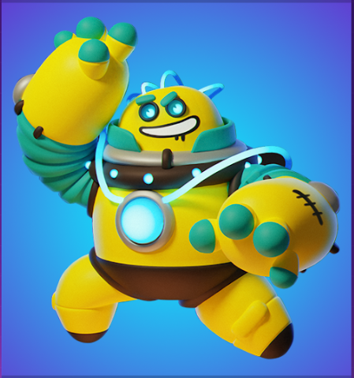
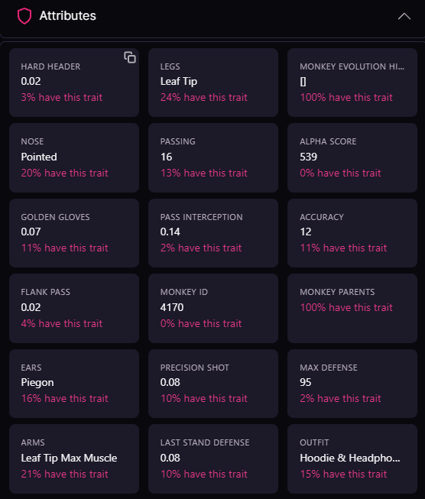
 |  |  |  |  |  |  |  |  |  |  |  |  | Attribute
 |  |  |  | Robo ID #4987 |  |  |  |  |  |  |  |  | Robo ID
 |  |  |  |  |  |  |  |  |  |  |  |  | Robo base type
 |  |  | TYPE | NAME | NICKNAME |  |  |  |  |  |  |  | Robo nickname
 |  |  | Melee | Jawbraker | Bonzo |  |  |  |  |  |  |  | Robo class
 |  |  | CLASS | ROBO ID | CORE RARITY |  |  |  |  |  |  |  | Robot subclass
 |  |  | Tank | 4987 | Epic |  |  |  |  |  |  |  | Robot rarity
 |  |  | HEAD | BACK | CORE TYPE |  |  |  |  |  |  |  | Cosmetic 1
 |  |  | Epic Power Helmet | Uncommon Bat Wings | Fire |  |  |  |  |  |  |  | Cosmetic 2
 |  |  | HEAD RARITY | BACK RARITY | CORE EFFICIENCY |  |  |  |  |  |  |  | Cosmetic 3
 |  |  | Epic | Epic | 67 |  |  |  |  |  |  |  | Cosmetic 4
 |  |  | HEAD EFFICIENCY | BACK EFFICIENCY | HEAD TYPE |  |  |  |  |  |  |  | Damage per hit
 |  |  | 40 | 20 | Fire |  |  |  |  |  |  |  | Hit points
 |  |  | SHOULDERS | HANDS | BACK TYPE |  |  |  |  |  |  |  | Hit per second
 |  |  | Uncommon Spiky Pads | Common Boom boom Gloves | Electric |  |  |  |  |  |  |  | Energy cost
 |  |  | SHOULDERS RARITY | HANDS RARITY | SHOULDERS TYPE |  |  |  |  |  |  |  | Special attack
 |  |  | Epic | Epic | Electric |  |  |  |  |  |  |  | Body rarity
 |  |  | SHOULDERS EFFICIENCY | HANDS EFFICIENCY | HANDS TYPE |  |  |  |  |  |  |  | Body efficiency
 |  |  | 53 | 10 | Ice/Fire |  |  |  |  |  |  |  | Core rarity
 |  |  | HP | DMG | ATTACK SPEED |  |  |  |  |  |  |  | Core element
 |  |  | 130 | 90 | 78 |  |  |  |  |  |  |  | Core efficiency
 |  |  | SPECIAL ABILITY COST |  |  |  |  |  |  |  |  |  | Head part name
 |  |  | 80 |  |  |  |  |  |  |  |  |  | Head part rarity
 |  |  |  |  |  |  |  |  |  |  |  |  | Head part ID
 |  |  |  |  |  |  |  |  |  |  |  |  | Head part card description
 | 30 |  |  |  |  |  | common 50 | Uncommon 100 | Epic 150 | Rare 200 | Legendary 250 | Master 300 | Head part efficiency
 | helmet | HP +1 | DMG +2 | 3 |  |  |  |  |  |  |  |  | Shoulder part name
 | Crit X2 |  |  |  |  |  |  |  |  |  |  |  | Shoulder part rarity
 | 40 |  |  |  |  |  |  |  |  |  |  |  | Shoulder part ID
 | Helmet | HP +3 | DMG +1 | 4 |  |  |  |  |  |  |  |  | Shoulder part card description
 | Crit X2 |  |  |  |  |  |  |  |  | Full potential |  |  | Shoulder part efficiency
 |  |  |  |  |  |  |  |  |  | Max |  |  | Backpack part name
 |  |  |  |  |  |  |  |  |  | Basic |  |  | Backpack part rarity
 |  |  | head, hands, .. | head1, head2, head3 | fire, ... |  |  |  |  |  |  |  | Backpack part ID
Base type | Rarity | Core elements | Customizable parts | Part types | Part elements | Unique parts combo | Unique Robots |  |  |  |  |  | Backpack part card description
1 | 1 | 3 | 4 | 2 | 3 | 1296 | 3,888 |  |  |  |  |  | Backpack part efficiency
 |  |  |  |  |  |  |  |  |  |  |  |  | Gloves part name
 |  |  |  |  |  |  |  |  |  |  |  |  | Gloves part rarity
 |  |  |  |  |  |  |  |  |  |  |  |  | Gloves part ID
 |  |  |  |  |  |  |  |  |  |  |  |  | Gloves part card description
 |  |  |  |  |  |  |  |  |  |  |  |  | Gloves part efficiency

